amazon price
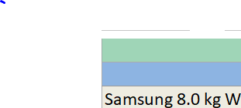
Model Name (Amazon) | TOP/FRONT LOAD | Last Price | 8 kg Loading Capacity
Samsung 8.0 kg Wifi Enabled Fully-Automatic Front Loading Dryer (DV80T6220LE/TL, White, AI Control) |  | ₹ 60,990 | TRUE
Samsung 8.0 kg / 6.0 kg Wi-Fi Enabled Inverter Fully-Automatic Washer Dryer, Front Load (WD80T604DBX/TL, Inox, AI Control) | FALSE | ₹ 53,990 | TRUE
Samsung 8.0 Kg Fully-Automatic Front Loading Washing Machine (WW80T604DLB/TL,Black Caviar) | FALSE | ₹ 47,000 | TRUE

